Auto Populate CGWR-CCAR
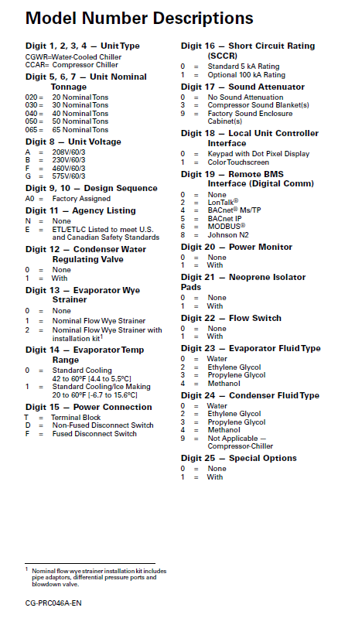

 |  |  |  |  |  |  |  |  |  |  |  |  |  |  |  |  | Date Manufactured | 10/13/21

 |  |  |  |  |  |  |  |  |  |  |  |  |  |  |  |  | Serial | 4703A-02

 | Model | CGWR | 0 | 75 | F - 460-3-60 | A 0 | E - ETL Listed | 1 - With valve(s) installed | 1 - Nom Flow Strainer | 0 - Std cooling 42-60F(5.6-15.6C) | D - Non-fused Disconnect | 0 - Std 5 kA | 9 - Factory enclosure | 1 - Touchscreen | 5 - Standard BACnet IP | 0 - No PWM | 1 - With Iso Pads | 1 - With Flow Swtch | 0 - Water Evap | 0 - Water Cond | 0 - No special design

 | Refrigerant |  | 410A |  |  |  |  |  |  |  |  |  | Charge | 37 lbs per circuit

 | Oil Type |  | POE |  |  |  |  |  |  |  |  |  | Unit Weight | 2005

 | Maximum Operating Pressures (PSIG):

 | Water Side: |  |  |  | 230 |  |  |  | Condenser |  |  |  |  |  |  | 464 |  |  | Chiller

 | Refr. Side: |  |  |  | 650 |  |  |  | Condenser |  |  |  |  |  |  | 653 |  |  | Chiller

 | Electrical Data:

 | Rated | 460 |  |  | Volts |  |  |  | 3 |  |  | Ph |  |  | 60 |  |  |  | Hz

 |  |  | Model
CKT 1 | Comp. #1 |  | DSH184A4 |  |  |  |  |  | 25 |  |  | RLA |  |  | 197 |  |  |  | LRA

 | Comp. #3 |  | DSH184A4 |  |  |  |  |  | 25 |  |  | RLA |  |  | 197 |  |  |  | LRA

CKT 2 | Comp. #2 |  | DSH485A4 |  |  |  |  |  | 68 |  |  | RLA |  |  | 344 |  |  |  | LRA

 | Minimum Circuit Ampacity |  |  |  |  |  |  |  |  |  |  |  |  |  |  | 134 |  |  | Amps

 | Maximum Fuse Size |  |  |  |  |  |  |  |  |  |  |  |  |  |  | 200 |  |  | Amps

 | Recommended Dual-Element, |  |  |  |  |  |  |  |  |  |  |  |  |  |  | 150 |  |  | Amps
 | Time-Delay Fuse Size

 | Control Panel SCCR |  |  |  |  |  |  |  |  |  |  |  |  |  |  | 5 |  |  | kA RMS
 | (RMS Symmetrical)

 | Maximum Voltage |  |  |  |  |  |  |  |  |  |  |  |  |  |  | 506 |  |  | Volts

 | Literature:

 |  | Installation, Operation
 |  | & Maintenance Manual |  |  |  |  |  |  |  |  | Controls Manual
 |  | CG-SVX038A-EN |  |  |  |  |  |  |  |  | CG-SVX030B-EN

 | Rev 1

Auto Populate CGWR-CCAR DB
 |  |  |  |  |  |  |  |  |  |  |  |  |  |  |  |  | Date Manufactured | 10/13/21

 |  |  |  |  |  |  |  |  |  |  |  |  |  |  |  |  | Serial | 5143A-01

 |  |  |  |  |  | DB Model |  |  |  |  | W | C | S | 0 | 3 | 0 | C D |  | B | G | Q

 | Model | WCCU | 0 | 40 | A - 208-3-60 | A 0 | N - No ETL listing | 0 - No WRVs | 1 - Nom Flow Strainer | 0 - Std cooling 42-60F(5.6-15.6C) | D - Non-fused Disconnect | 0 - Std 5 kA | 3 - Blankets | 0 - Keypad | 0 - None | 1 - With PWM | 0 - No Iso Pads | 1 - With Flow Swtch | 0 - Water Evap | 0 - Water Cond | 1 - With special design

 | Refrigerant |  | 410A |  |  |  |  |  |  |  |  |  | Charge | N/A

 | Oil Type |  | POE |  |  |  |  |  |  |  |  |  | Unit Weight | 0

 | Maximum Operating Pressures (PSIG):

 | Water Side: |  |  |  | 230 |  |  |  | Condenser |  |  |  |  |  |  | 464 |  |  | Chiller

 | Refr. Side: |  |  |  | 650 |  |  |  | Condenser |  |  |  |  |  |  | 653 |  |  | Chiller

 | Electrical Data:

 | Rated | 208 |  |  | Volts |  |  |  | 3 |  |  | Ph |  |  | 60 |  |  |  | Hz

 |  |  | Model
CKT 1 | Comp. #1 |  | DSH120A3 |  |  |  |  |  | 39 |  |  | RLA |  |  | 267 |  |  |  | LRA

 | Comp. #3 |  | DSH120A3 |  |  |  |  |  | 39 |  |  | RLA |  |  | 267 |  |  |  | LRA

CKT 2 | Comp. #2 |  | DSH240A3 |  |  |  |  |  | 67 |  |  | RLA |  |  | 485 |  |  |  | LRA

 | Minimum Circuit Ampacity |  |  |  |  |  |  |  |  |  |  |  |  |  |  | 162 |  |  | Amps

 | Maximum Fuse Size |  |  |  |  |  |  |  |  |  |  |  |  |  |  | 225 |  |  | Amps

 | Recommended Dual-Element, |  |  |  |  |  |  |  |  |  |  |  |  |  |  | 175 |  |  | Amps
 | Time-Delay Fuse Size

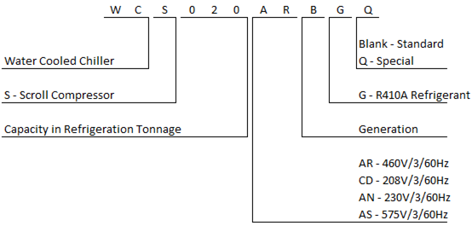
 | Control Panel SCCR |  |  |  |  |  |  |  |  |  |  |  |  |  |  | 5 |  |  | kA RMS
 | (RMS Symmetrical)

 | Maximum Voltage |  |  |  |  |  |  |  |  |  |  |  |  |  |  | 228.8 |  |  | Volts

 | Rev 1

Auto Populate (CICD)
 |  |  |  |  |  |  |  |  |  |  |  |  |  |  |  |  |  |  | 5kA OR 100kA?
 |  |  |  |  |  |  |  |  |  |  |  |  |  |  |  |  |  |  | 5
 |  |  |  |  |  |  |  |  |  |  |  |  |  |  |  |  |  |  | Water Pressure?
 |  |  |  |  |  |  |  |  |  |  |  |  |  |  |  | Date Manufactured | 2021-10-13 |  | 150

 |  |  |  |  |  |  |  |  |  |  |  |  |  |  |  | Serial | 5337B-04

Model | CICD | 045 | F - 460-3-60 | A - Water Cooled Chiller | A - R-410A Scroll | 2 - Dual Circuit | 1 - Standard Efficiency | 0 - Factory Assigned | 1 - Array System | 0 - Brazed Plate | 0 - Water | 1 - Variable Flow Primary | 0 - Standard Cooling | 1 - Motorized Valves | 0 - Brazed Plate | 0 - Water

Refrigerant |  | 410A |  |  |  |  |  |  |  |  |  | Ref Charge, lbs | Crt 1=13.5 |  |  |  |  | Crt 2=13.5

Oil Type |  | POE |  |  |  |  |  |  |  |  |  | Unit Weight | 2040 LBS

Maximum Operating Pressures (PSIG):

Water Side: |  |  |  | 150 |  |  |  | Condenser |  |  |  |  |  |  | 150 |  |  | Evaporator

Refr. Side: |  |  |  | 652 |  |  |  | Condenser |  |  |  |  |  |  | 710 |  |  | Evaporator

Electrical Data:

Rated | 460 |  |  | Volts |  |  |  | 3 |  |  | Ph |  |  | 60 |  |  |  | Hz

 |  | Model
Comp 1 Circuit 1 |  | DSH240A4 |  |  |  |  |  | 33 |  |  | RLA |  |  | 215 |  |  |  | LRA

Comp 2 Circuit 2 |  | DSH240A4 |  |  |  |  |  | 33 |  |  | RLA |  |  | 215 |  |  |  | LRA

 |  | NA |  |  |  |  |  | NA |  |  | RLA |  |  | NA |  |  |  | LRA

 |  | NA |  |  |  |  |  | NA |  |  | RLA |  |  | NA |  |  |  | LRA

Minimum Circuit Ampacity |  |  |  |  |  |  |  |  |  |  |  |  |  |  | 74 |  |  | Amps

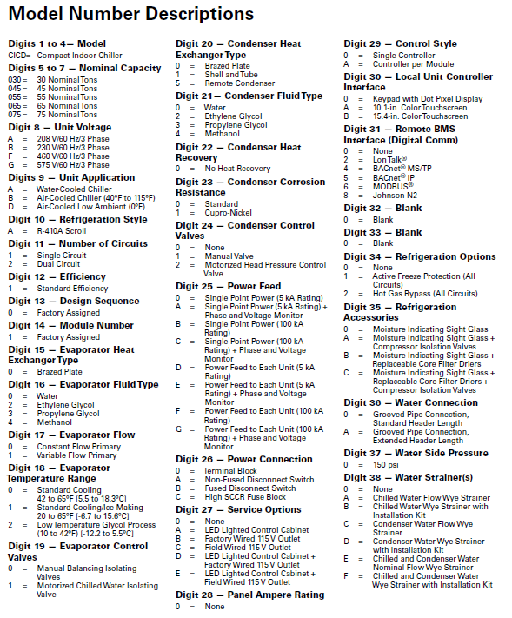
Maximum Fuse Size |  |  |  |  |  |  |  |  |  |  |  |  |  |  | 100 |  |  | Amps

Recommended Dual-Element, |  |  |  |  |  |  |  |  |  |  |  |  |  |  | 80 |  |  | Amps
Time-Delay Fuse Size

Control Panel SCCR |  |  |  |  |  |  |  |  |  |  |  |  |  |  | 5 |  |  | kA RMS
(RMS Symmetrical)

Maximum Voltage |  |  |  |  |  |  |  |  |  |  |  |  |  |  | 506 |  |  | Volts

Literature:

 | Installation, Operation
 | & Maintenance Manual |  |  |  |  |  |  |  |  | Controls Manual
 | CG-SVX044*-EN |  |  |  |  |  |  |  |  | CG-SVX030*-EN

Rev 1

